GUI CGI SPEC
Xmind
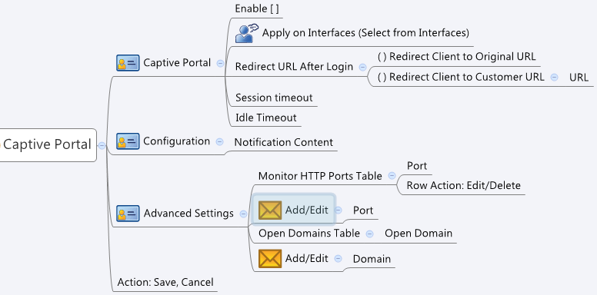

Behavior
All the Captive Portal related GUI/CGI files should be put under "source/GUI/UAM/". There are already symbolic links for js/css folders and UAM_login.cgi/UAM_logout.cgi
UAM/index.php and UAM/UAM.php needs to be updated for showing the Notification Content and redirect user after success login
Max Apply on Interfaces count = 5
Max Monitor HTTP Ports count = 5
Max Open Domains Table size = 16

[UI Display Name] | [CGI Name] | [JSON Name] | [Description] | [Restrictions]
# Captive Portal
Enable | captivePortal.cgi | enable | 0|1
Apply on Interfaces | captivePortal.cgi | listenIfNum | int, the number of gids in the listenIfList
Apply on Interfaces | captivePortal.cgi | listenIfList | int list, List of interfaces' gids from common_portIf_list.cgi, common_vlanIf_list.cgi, common_lanIf_list.cgi | For common_portIf_list.cgi & common_vlanIf_list.cgi, please only show the object name which its type is LAN and it have the IP address.
Redirect URL After Login | captivePortal.cgi | redirectTo | 0: to Original URL, 1: to Customer URL
Redirect Client to Customer URL | captivePortal.cgi | redirectURL | the Customer URL for redirection
Session timeout | captivePortal.cgi | sessTimeout | 0: no limit, 1~86400, default: 3600
Idle Timeout | captivePortal.cgi | idleTimeout | 0: no limit, 1~3600, default: 600
# Advanced Settings
Monitor HTTP Ports Table | captivePortal.cgi | httpPortNum | int, the number of ports of the httpPortList
Monitor HTTP Ports Table | captivePortal.cgi | httpPortList | int list, List of ports
# Open Domains Table
Open Domain | captivePortalOpenDomain.cgi | domain | domain name
 | captivePortalOpenDomain.cgi | cgiAction | int, 0:none, 1:add, 2:update, 3:delete ; default: 0

#Configuration
Notification Content | PHP |  | Please use php to provide editable noitfication page. And modify source/GUI/UAM/UAM.php to show the notification content
Notification Content | captivePortal.cgi | httpNotify | length:1~255.

JSON String
### captivePortal.cgi ###
{
"enable": 1,
"listenIfNum": 2,
"listenIfList":"786432;786433;",
"redirectTo": 1,
"redirectURL": "http://en.wikipedia.org/wiki/Main_Page",
"sessTimeout": 3600,
"idleTimeout": 300,
"httpPortNum": 2,
"httpPortList": "80;8080;", "httpNotify":"Please login first! This is Archer Captive Portal Service. Tech Titan. Powered by Kaspersky."
}
### captivePortalOpenDomain.cgi ###
{
"domainT":[
{"gid":272891904,"domain":"www.archer.com","cgiAction":0},
{"gid":272891905,"domain":"en.wikipedia.org","cgiAction":0}
]
}

